Sheet1
Script No. | Test Case | Steps | Success criteria | Screenshots
1 | Checkout via PayPal on Guest Customer page | 1.Go to qa.cymax.com, Select Furniture from Naivgation bar. 2. Click on Bedrrom>>Beds 3. Beds category Page will show. Capture Screenshot 4. Select Bed Item: 1652636 5. Click on to Add to card button 6. Select shipping on selected product on Cart page 7. Click on Checkout button will leads to Guest cutomer page 8. Select PayPal on Guest Cutomer Login page 9. User will redirect to PayPal sandbox 10. Login with Raj's credentials on PayPal sandbox username:- Raj.r@cymax.com password:- Welcome@2 11. Click on Continue button on sandbox button 12. Click on PayNow button on PayPal sandbox 15. Order confirmation page will display |  | 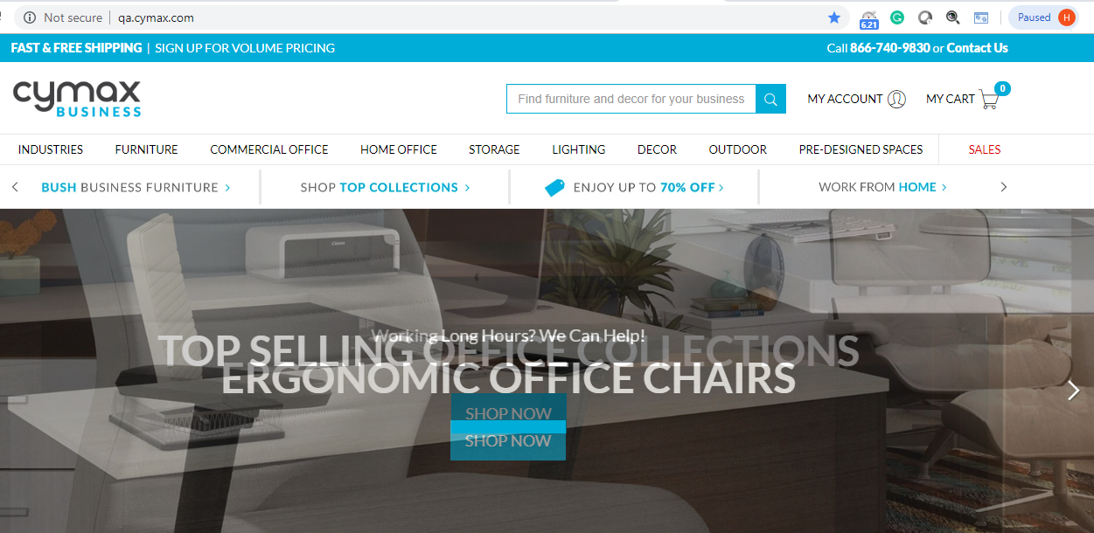 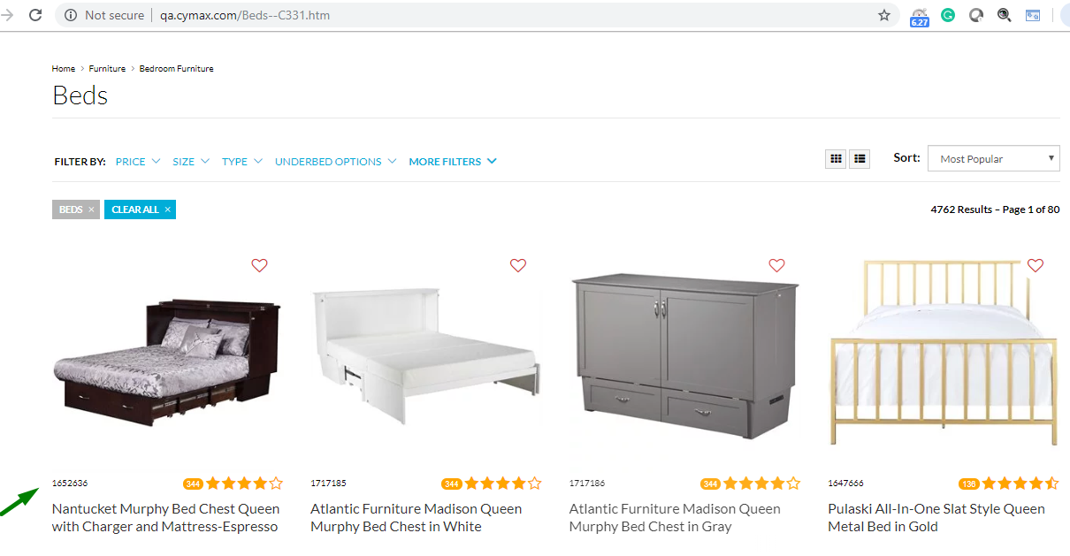 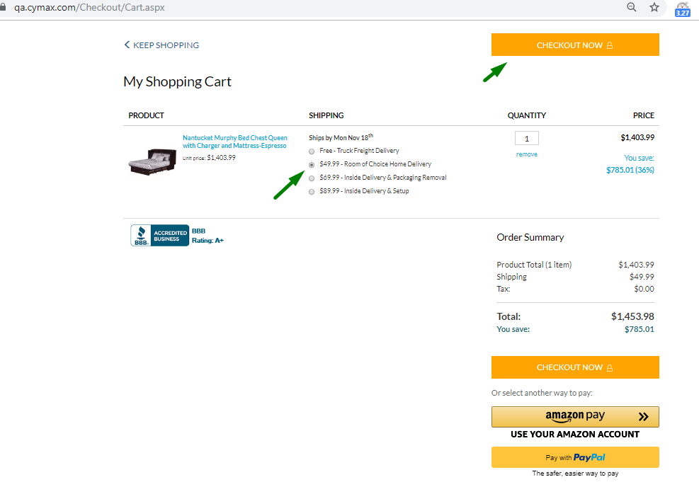 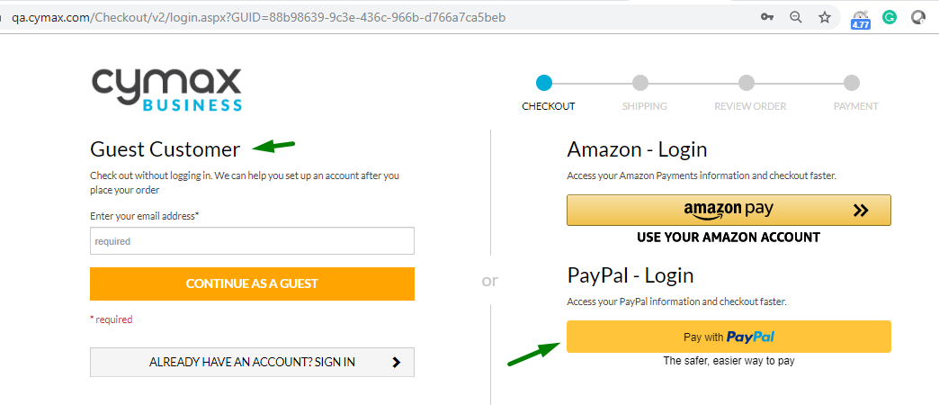 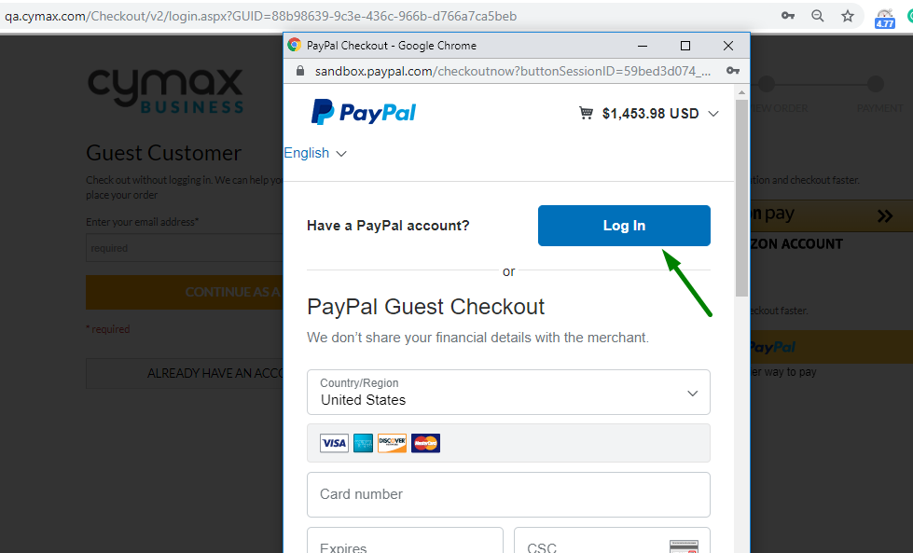 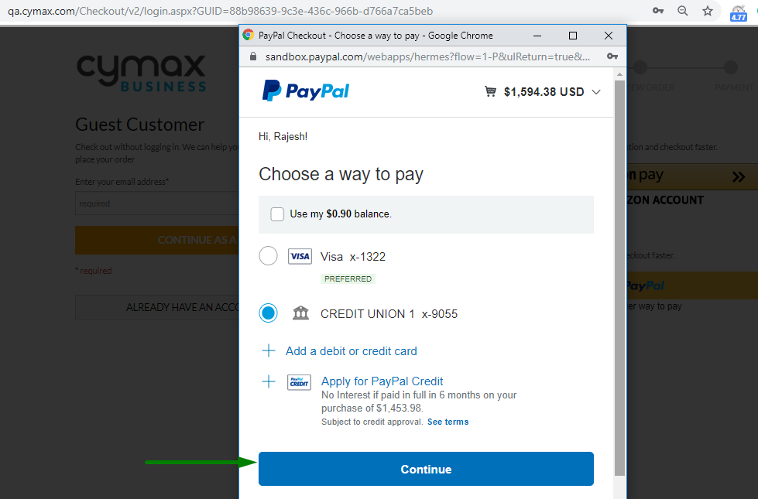 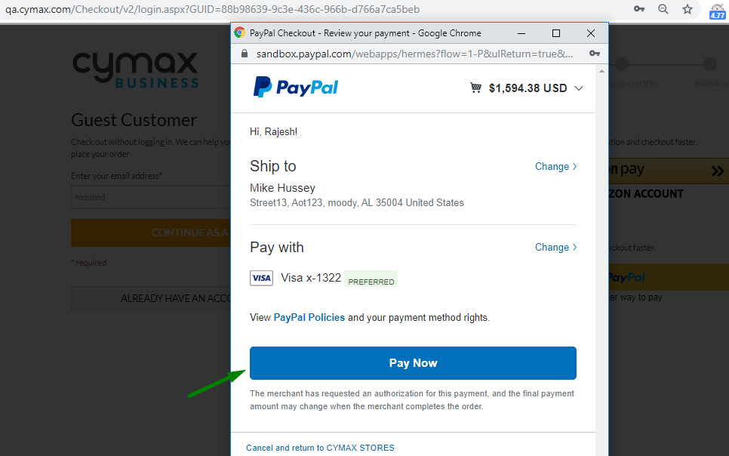 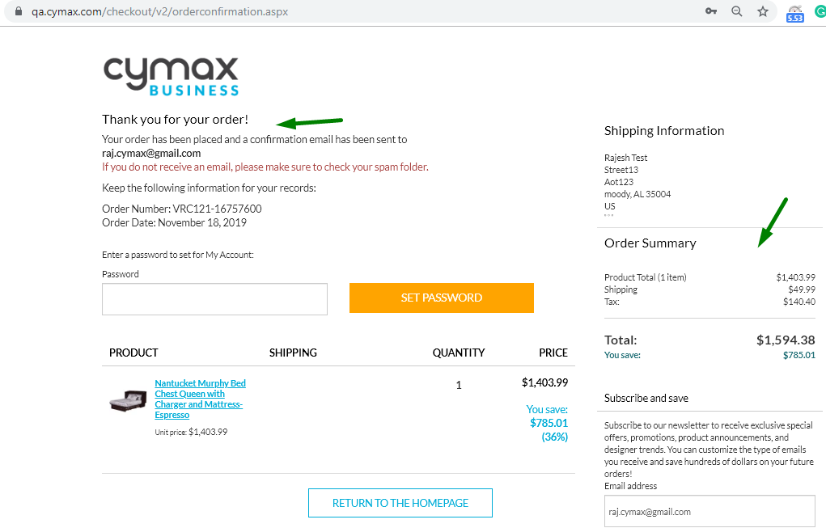

2 | Checkout via PayPal on My cart page/Checkout page | 1.Go to qa.cymax.com, Select Furniture from Naivgation bar. 2. Click on Bedrrom>>Beds 3. Beds category Page will show 4. Select Bed Item: 1652636 5. Click on to Add to card button 6. Select shipping on selected product on Cart page 7. Select PayPal option on checkout page 8. User will lead to PayPal sandbox 9. Login with Raj's credentials on PayPal sandbox username:- raj.cymax@gmail.com password:- Welcome@2 10. Click on Continue checkout button on Paypal sandbox button 11. Click on PayNow button on PayPal sandbox 12. Order confirmation page will display |  | 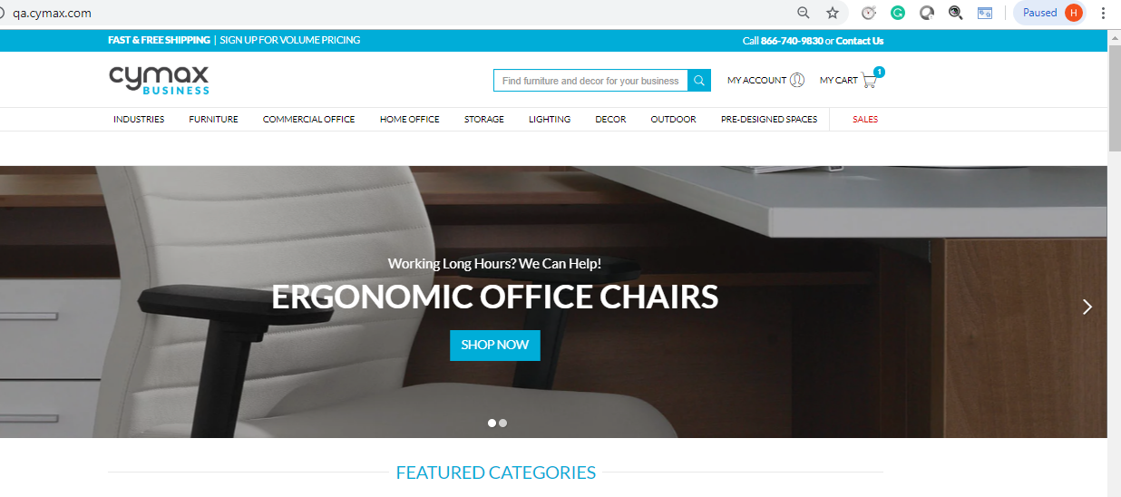 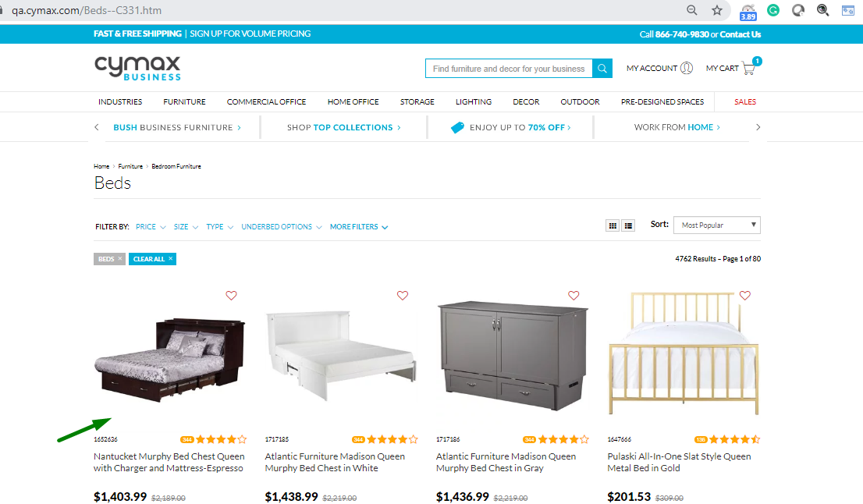 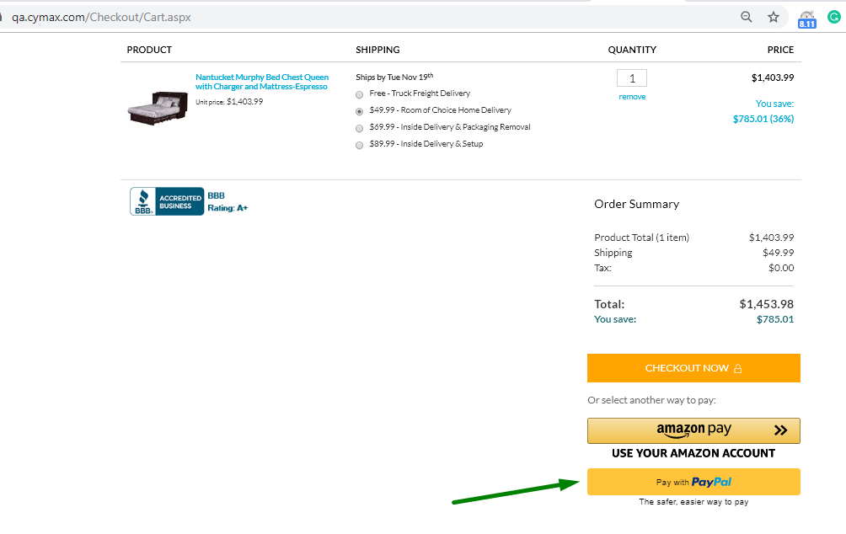

3 | Checkout via PayPal on payment page | 1. 1.Go to qa.cymax.com 2. Signin with valid credentials 3. Select Furniture from Naivgation bar Click 4. Click on Bedroom>>Beds 5. Beds category Page will show 6. Select Bed Item: 1652636 7. Click on to Add to card button 8. Select shipping on selected product on Cart page and validate following a) Shipping price will show same throuthout the order completion process b) Tax Amount should be Zero on My cart page 9. Select continue to checkout on checkout page/My cart page 10. Enter shipping address and click on review order button 11. Click on Continue to Payment button on Review order page 12. Select PayPal payment option on Payment page 13. User will lead toPayPal sandbox 14. Login with Raj's credentials on PayPal sandbox username:- raj.cymax@gmail.com password:- Welcome@2 15. Click on Continue checkout button on sandbox button 16.Click on PayNow button in PayPal sandbox 17. Will lead to Order confirmation page | Customer should be able to checkout suceesfully. | 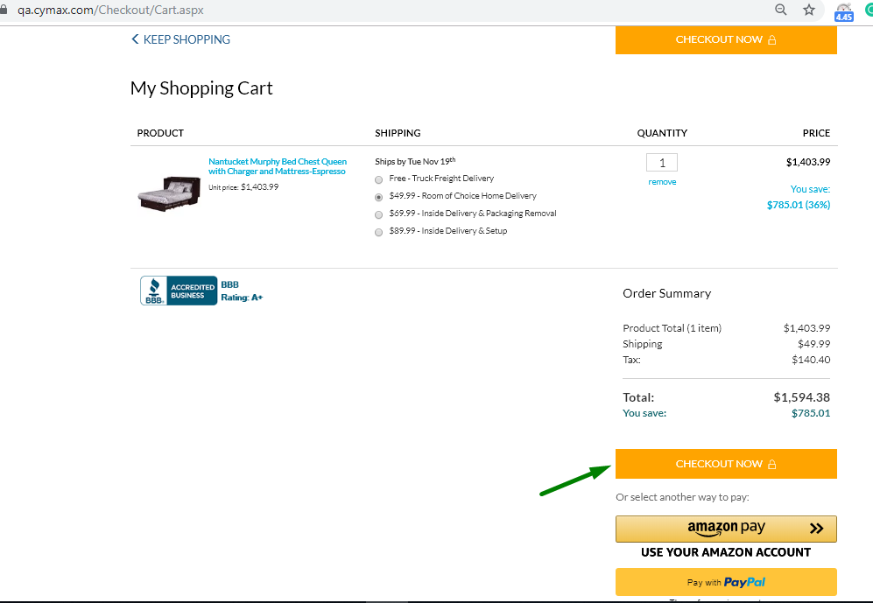 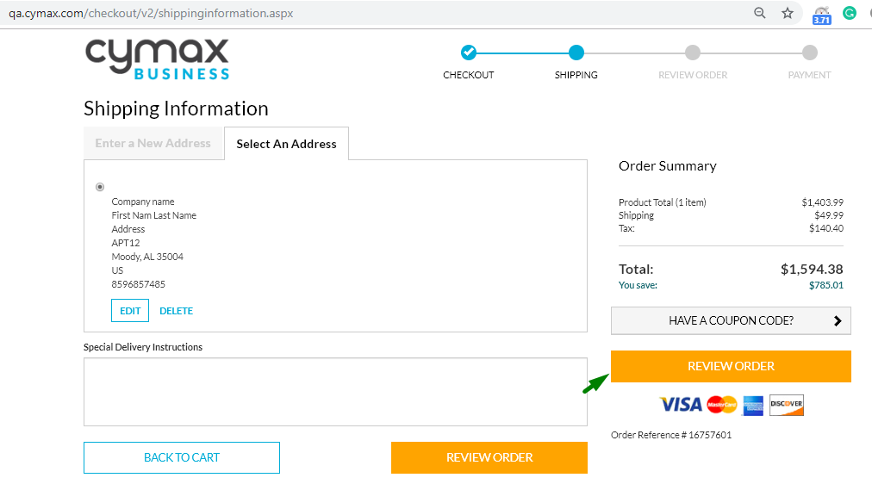 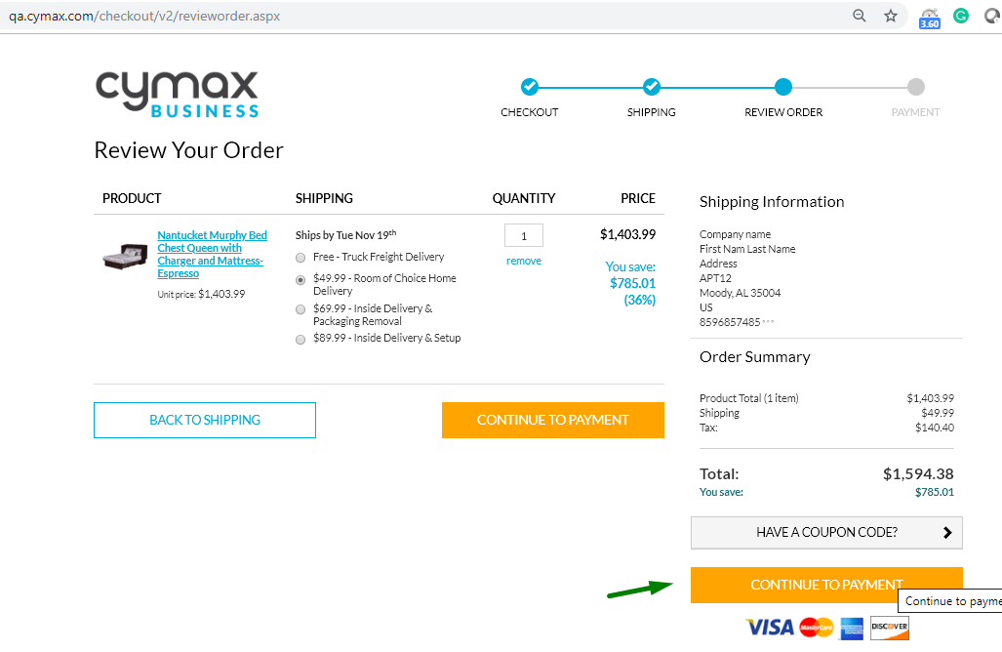 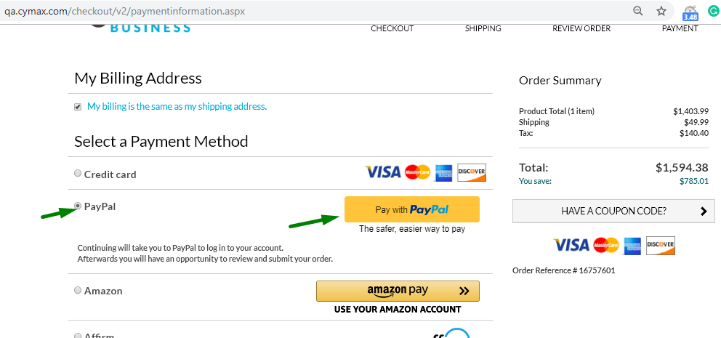
 | Order confirmation for PayPal on Payment page | 1. From previous test case, customer will see Order Confirmation page. Capture screenshot Vadidate Followings:- a) Product total amount b) Shipping c) Tax d) Total Amount On Order confirmation page 2.Verify that order is sucessfully created. Store the order ID 3.Validate text "Thank you for your order!" | Order confirmation is seen by customer after placing order | 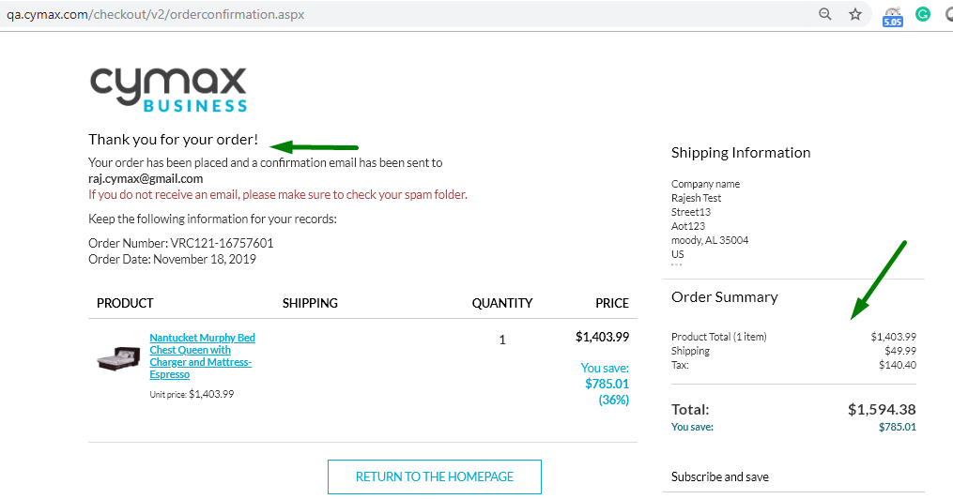
 | Log Off <NEED TO ENSURE THAT THIS IS STILL WORKING FINE> | 1. From previous test case,click on Logout Link 2. Logout sucessful page will show 3. Close browser
 |  | Exception Handling: 1. Any crashes, Page does not load | failure test case, capture screenshot, enter in log . Try total 3 times and then exit the test script

